Sheet2
Following are the meeting notes :

Event campaign cost :
Split this based on the campaigns rather than on offer value
AE will share a summary of the campaigns that can be created out of this data ( attached)
Following are the event campaigns we will consider since they have 90% of all usages (you can find it in detail in she attached email) – please confirm if these are good to go ahead

The “OOH campaign” in this list – Want to make sure this is mutually exclusive to the OOH data we have. We should not be duplicating any marketing/promo activities in the model
Sign up cost :
The trend of this data aligns with what was shared before, but the magnitude differs significantly
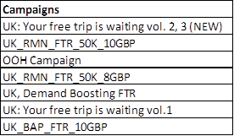
Polina will check the data and share the cost with AE, since it should not be calculated based on max offer value * users
OOH :
OOH data can be used from the file : “Cream & BOLT - Daily Unilive PLAY data (Updated 13.07)” – this has daily level variations
Use “Sum of sum of plays” as the metric to be modelled
Podcast data can be used from the file “Bolt UK Campaign - Lockdown Timing”
It is better to get results of these based on placement but if the data is too sparse then total level can be used
Leaves :
Polina is on leave from 16th to 23rd August

Feel free to add any points I may have missed out on.

